Cover


TCO TOOL:

Private 5G Networks for Surface & Underground Mines

Version 1.0

Published: September, 2026

Confidential and Proprietary

This copy of the tool is provided to ________________________________.

Developed by The Besen Group LLC. Copyright © 2026. All Rights Reserved.

The Besen Group offers TCO Tool on corporate license basis.
The price includes one hour telephone consultation with The Besen Group consultant.
Advance payment is required. All payments should be made by check, wire transfer, or major credit card.
No returns are allowed. All sales are final. For pricing information or customization options, please contact Alex Besen: alex@thebesengroup.com or +1-703-981-8168.
To report copyright infringement, please contact Alex Besen: alex@thebesengroup.com or +1-703-981-8168.

The.Besen.Group
ABOUT THE BESEN GROUP

About The Besen Group
The Besen Group is an international management consulting practice to the mobile data industry headquartered in the Washington DC area, with representatives in Paris and Tokyo.
Its mission is to provide mobile data players with tools, knowledge, and services enabling them to perform optimally in their mobile environment.
The Besen Group's competitive edge is based on practical experience with mobile operators, mobile vendors, and a mobile data laboratory.
The Besen Group offers the following service portfolios: Private Networks, MVNO, MVNE and HNO.

 | To download our company presentation: | Company Presentation
Private Networks Service Portfolio
Our Private Networks Service Portoflio is organized into eight distinct services to help our mobile data clients with pragmatic solutions based on an in-depth knowledge of the private network eco-system.
Our expertise include business case modeling, business strategy & planning, market & customer segmentation, auction strategy & license application, partnership development, marketing & product launch, market research &
competitive analysis, project management & RFP preparation.
Our objective is to make sure that our clients know how to exploit and benefit from mobile data technologies and develop their digital transformation to their greatest potential.

 | To download our Private Networks Service Portfolio brochure: | Private Networks Service Portfolio
MVNO Service Portfolio
Our MVNO Service Portfolio is organized into four bundled groups of services based on developmental needs. This ensures that before and after the launch of its services, an MVNO's needs are met and surpassed.
We have extensive hands-on experience from start-up operators, mobile vendors, and a mobile data laboratory to help our clients in their day-to-day business operations. We have worked on multiple MVNO projects globally and we understand what it takes to launch a successful mobile and mobile data service in this competitive mobile market. Our objective is to make sure our MVNO clients avoid the common failures in the complex mobile data industry.
Our flexible work arrangement allows any MVNO to engage us on a project or retainer basis.

 | To download our MVNO Service Portfolio brochure: | MVNO Service Portfolio
MVNE Service Portfolio
Our MVNE Service Portfolio is organized into four bundled groups of services based on developmental needs. These services assist MVNEs in positioning themselves as close business partners with their customers, and to create long-term business growth and profitability for both.
We have extensive hands-on experience from mobile and mobile data vendors globally, and we understand what mobile operators and MVNOs want and need in their business operations. Our objective is to ensure that our MVNE
clients deliver innovative products, services, solutions and knowledge to their clients' expectations. Our flexible work arrangement allows any MVNE to engage us on a project or retainer basis.

 | To download our MVNE Service Portfolio brochure: | MVNE Service Portfolio
HNO Service Portfolio
Our HNO Service Portfolio is organized into four bundled groups of services based on developmental needs. These services are designed to meet any HNO's unique requirements by combining our excellent position in the mobile industry with our deep knowledge of the mobile eco-system.
We have extensive hands-on experience from start-up operators, mobile vendors, a mobile data laboratory, as well as MVNO and MVNE projects from North America and Europe. Our objective is to guarantee a clear commercial benefit
for HNOs to share their network with MVNOs and execute sound commercial agreements between MVNOs and MVNEs. Our flexible work arrangement allows any HNOs to engage us on a project or retainer basis.

 | To download our HNO Service Portfolio brochure: | HNO Service Portfolio

 | The Besen Group provides the following market research services:

 | To download our Case Study brochure: | Case Study Brochure

 | To download our Tool brochure: | Tool Brochure

 | To download our Private Networks brochure: | Private Networks Brochure

 | The Besen Group provides the following training services:

 | To download our Mobile Wholesale Seminar brochure: | Mobile Wholesale Seminar Brochure

 | To download our US MVNO Seminar brochure: | US MVNO Seminar Brochure

 | To download our MVNO Seminar brochure: | MVNO Seminar Brochure

 | To download our MVNE Seminar brochure: | MVNE Seminar Brochure

 | To download our Cable MVNO Seminar brochure: | Cable MVNO Seminar Brochure

 | To download our CBRS Seminar brochure: | CBRS Seminar Brochure

 | To download our Private LTE Seminar brochure: | Private LTE Seminar Brochure

 | To download our Private 5G Seminar brochure: | Private 5G Seminar Brochure

 | For more information, please our website at | www.thebesengroup.com

Modeling
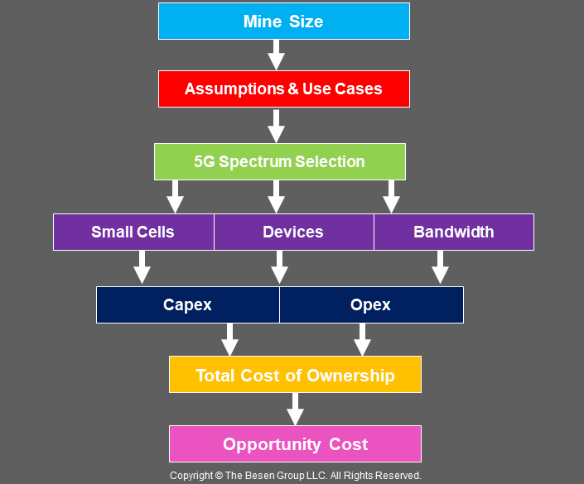
MODELING

Graphs

GRAPH # | 1

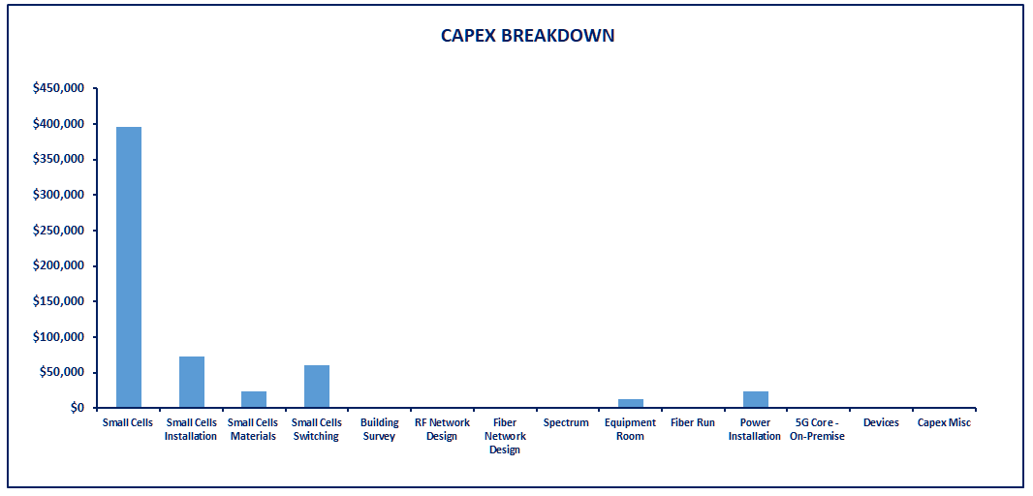
GRAPH # | 2

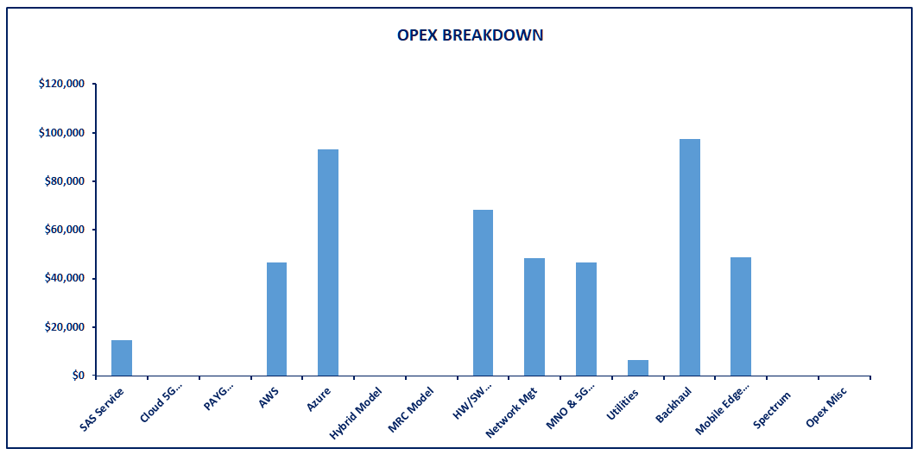
GRAPH # | 3

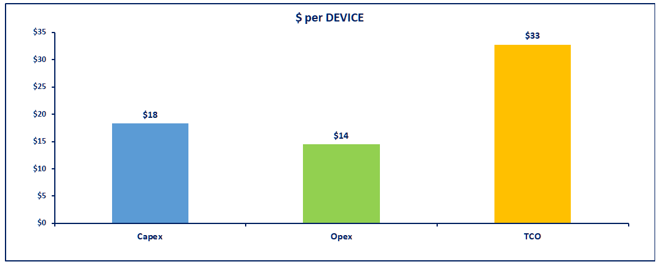
GRAPH # | 4

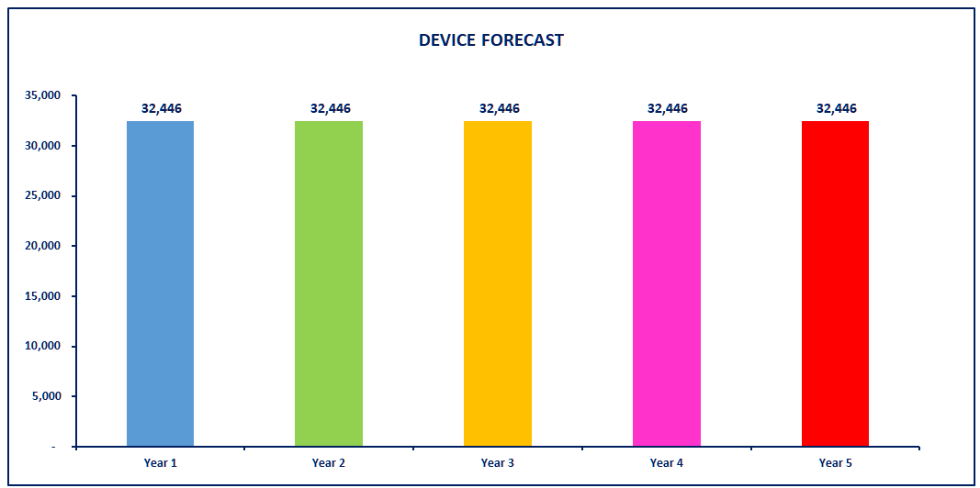
GRAPH # | 5

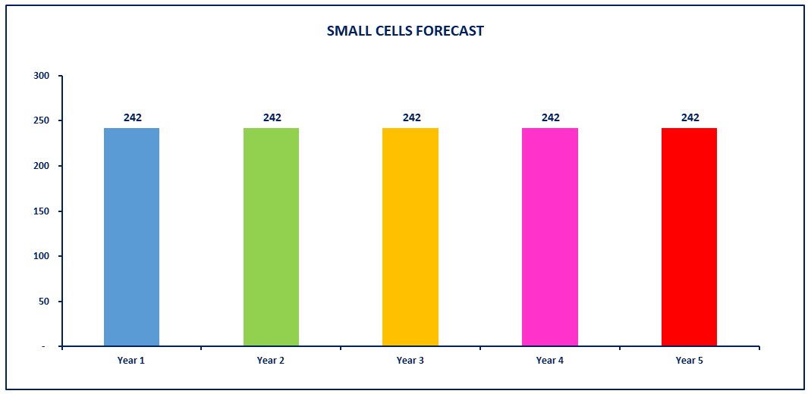
GRAPH # | 6

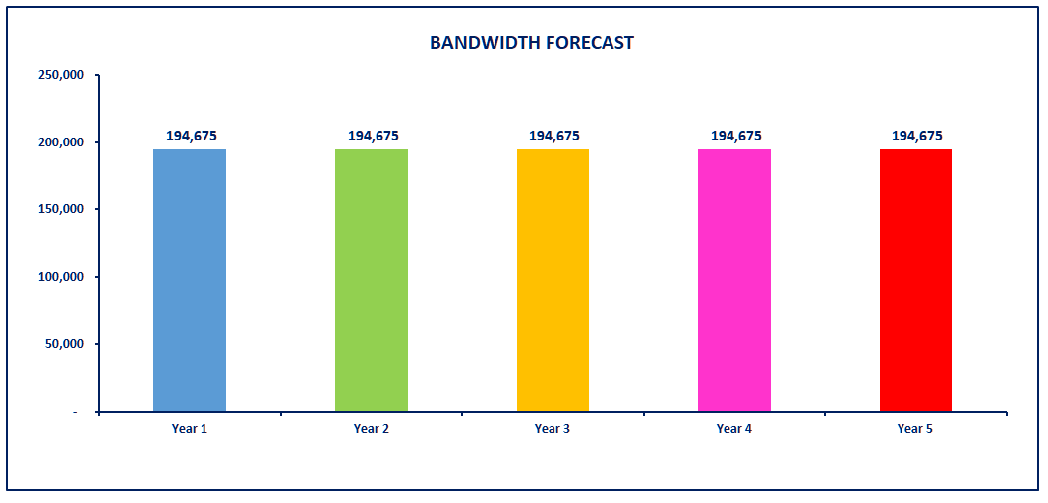
GRAPH # | 7

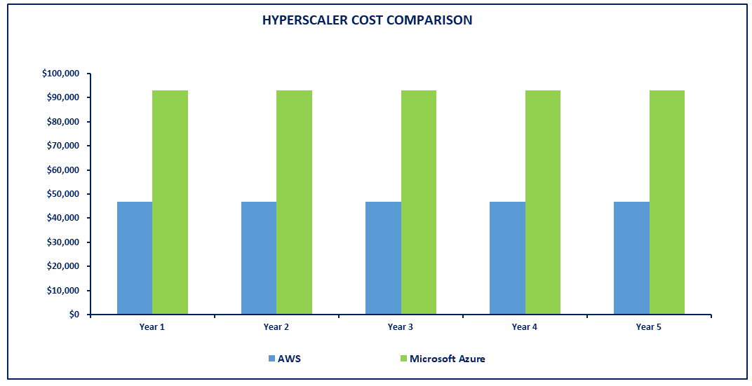
GRAPH # | 8

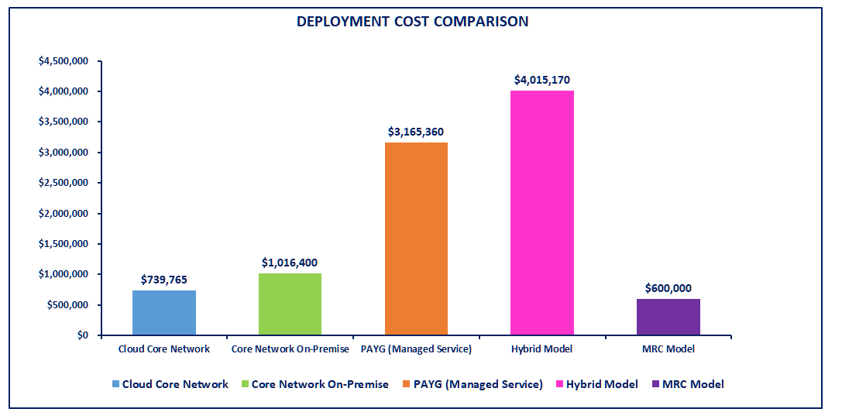
GRAPH # | 9

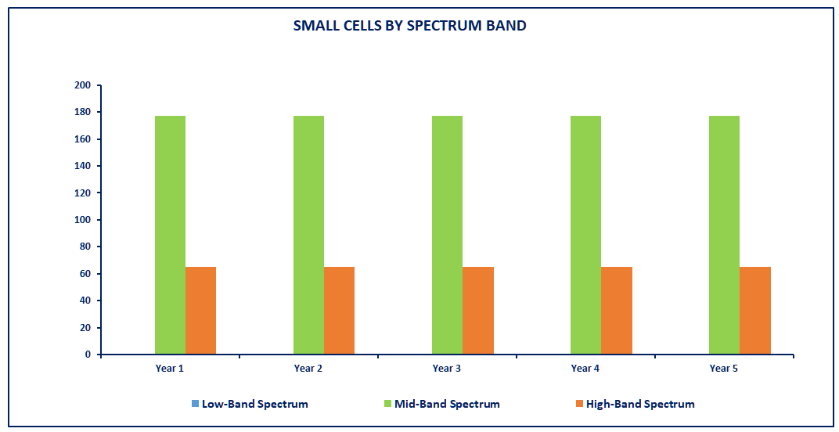
GRAPH # | 10

GRAPH # | 11
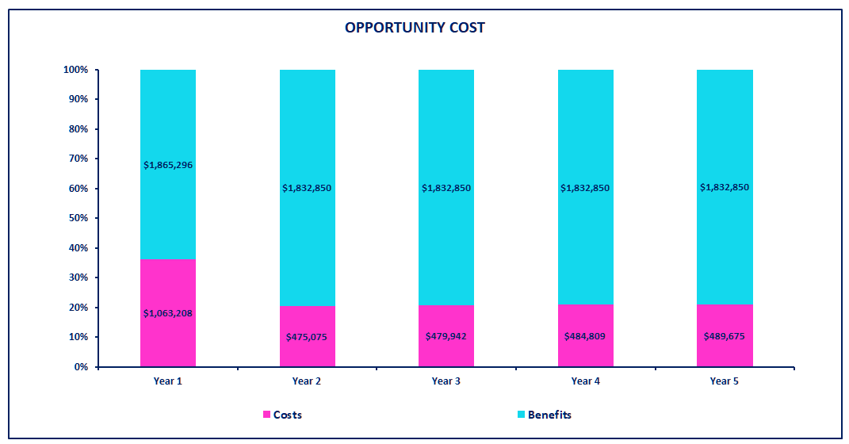

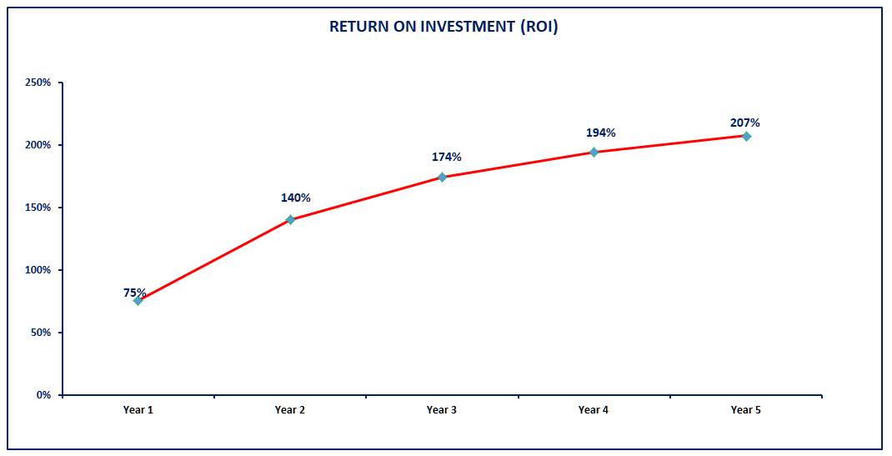
GRAPH # | 12

